Sheet1
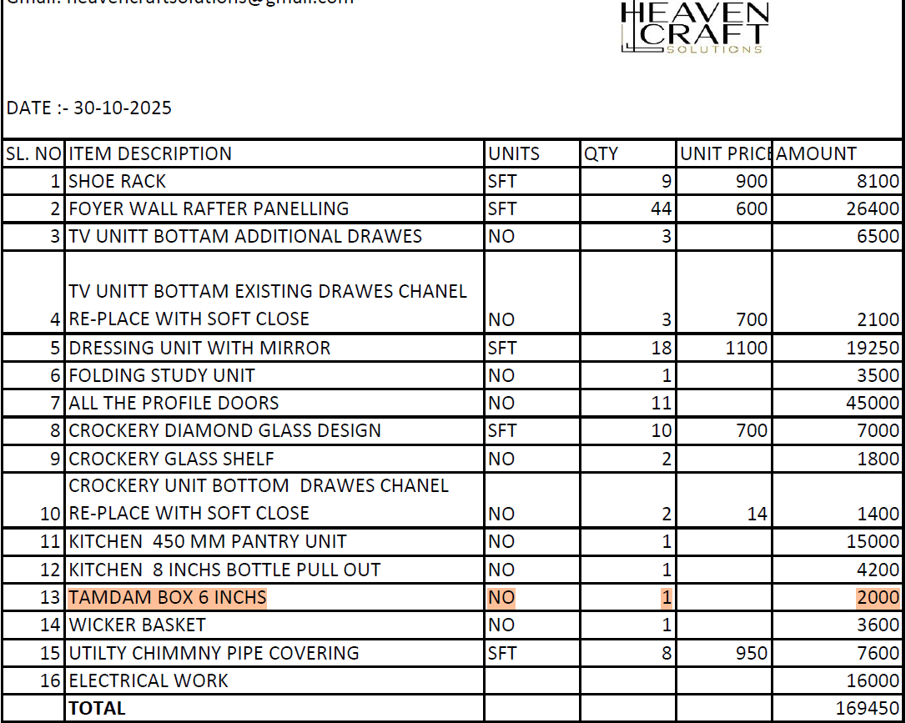

13 |  | Tandom | for cutlery unit in kitchen | adjusted old one only => new one not installed

 |  | Overall Electrical Complete home inspection
 |  | MCB brand to be checked
 |  | Power points near raghu working area

 | 13

